Sheet1
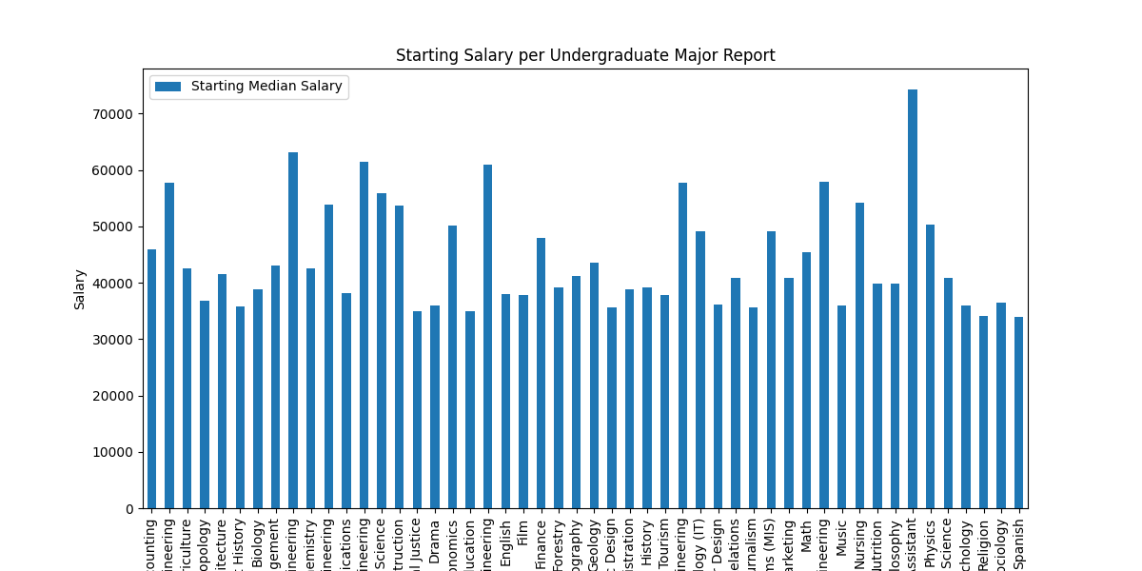
Undergraduate Major | Starting Median Salary
Accounting | 46000
Aerospace Engineering | 57700
Agriculture | 42600
Anthropology | 36800
Architecture | 41600
Art History | 35800
Biology | 38800
Business Management | 43000
Chemical Engineering | 63200
Chemistry | 42600
Civil Engineering | 53900
Communications | 38100
Computer Engineering | 61400
Computer Science | 55900
Construction | 53700
Criminal Justice | 35000
Drama | 35900
Economics | 50100
Education | 34900
Electrical Engineering | 60900
English | 38000
Film | 37900
Finance | 47900
Forestry | 39100
Geography | 41200
Geology | 43500
Graphic Design | 35700
Health Care Administration | 38800
History | 39200
Hospitality & Tourism | 37800
Industrial Engineering | 57700
Information Technology (IT) | 49100
Interior Design | 36100
International Relations | 40900
Journalism | 35600
Management Information Systems (MIS) | 49200
Marketing | 40800
Math | 45400
Mechanical Engineering | 57900
Music | 35900
Nursing | 54200
Nutrition | 39900
Philosophy | 39900
Physician Assistant | 74300
Physics | 50300
Political Science | 40800
Psychology | 35900
Religion | 34100
Sociology | 36500
Spanish | 34000

